Instructions
CIP Evidence Request Tool Summary Instructions
Version 6.0
See CIP Evidence Request Tool User Guide for detailed instructions
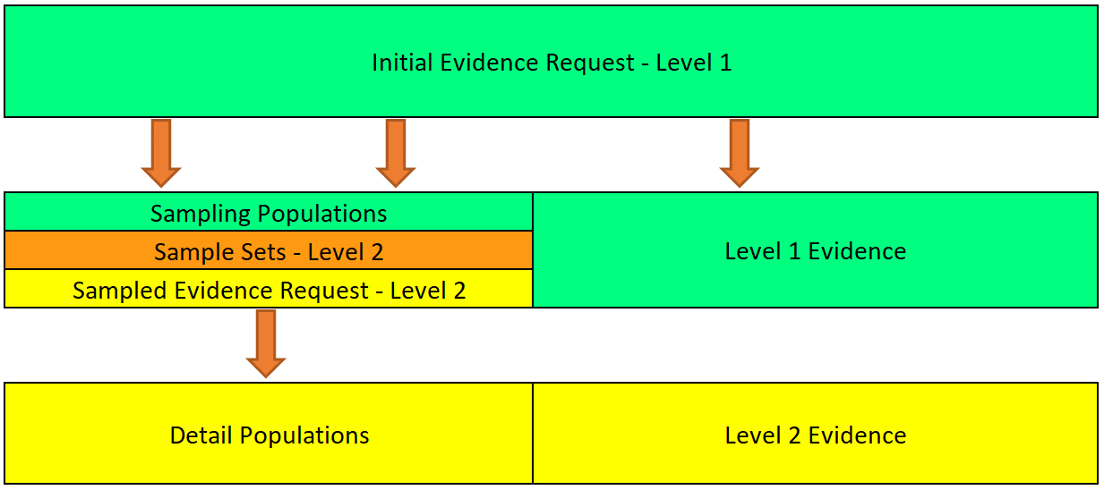
LEVEL 1
The Level 1 Evidence Request provides the populations of Cyber Assets, etc., that will be used for generating the Sample Sets used for the Level 2 Evidence Request. In addition, the Level 1 Evidence Request, or Initial Evidence Request, is intended to provide the overall compliance policies, programs, procedures, and processes.
LEVEL 2
After submission of the Level 1 evidence, the audit team will perform sampling based on the information and populations provided in response to Level 1. The audit team will issue the Level 2 Evidence Request as soon as possible after receiving the Level 1 response. Level 2 requests additional detail about compliance for specific Cyber Assets, specific personnel, and other individual items that are subject to the Standards.

Please be aware of the Labeling Guidance for ERO Enterprise Documents and ensure to follow the proposed marking of documentation appropriately.

The Low CA tab of this spreadsheet is included for those entities that have chosen to have a list. This tab is NOT MANDATORY and is ONLY OPTIONAL.

